STARlet Procedure
Fermentation Protocol
See the notes tab before starting!

FER# | 0

Gather you samples

 | See "Run Info" tab for sample locations
 |  | Legacy Sampling: Thaw pellets on ice for at least 15 minutes
 |  | New Ferm Sampling: Thaw culture tubes in a room temp water bath for 5 min; place on ice once thawed

Prepare Source Plates

Legacy sampling procedure
Resuspend your pellets

 | Dispense | 0 | uL of Dilution Buffer 1 into each matrix tube

 | Recap the tubes and secure matrix tube rack lid

 | Vortext for 10sec on setting "8" on Azog the Defiler, the plate vortexer
 |  | Make sure that the plates are vortexed just before they are stamped into a 96 well plate

 | Transfer your samples from matrix tubes into a short 96w Greiner V bottom plate (direct well-to-well transfer)
 |  | This can be done manually or by using the Nimbus
 |  |  | Nimbus Method:
 |  |  | HiPrBind Cell Resuspension
 |  |  |  | cell suspension will be transeferred from 1 source plate (matrix tubes) to 1 96w Greiner plate that is compatible with the Starlet

New Ferm sampling procedure
 |  | Prepare matrix tube racks
 |  |  | Arrange 450 uL samples tubes in matrix tube racks (see below for example)
 |  |  |  | Each Sample tube/Bioreactor/Procees Control will be aliquoted into a 96 well plate in triplicate
 |  |  |  | Standards will be added to the plate manually

 |  | Example: 1 time point with 24 Bioreactors
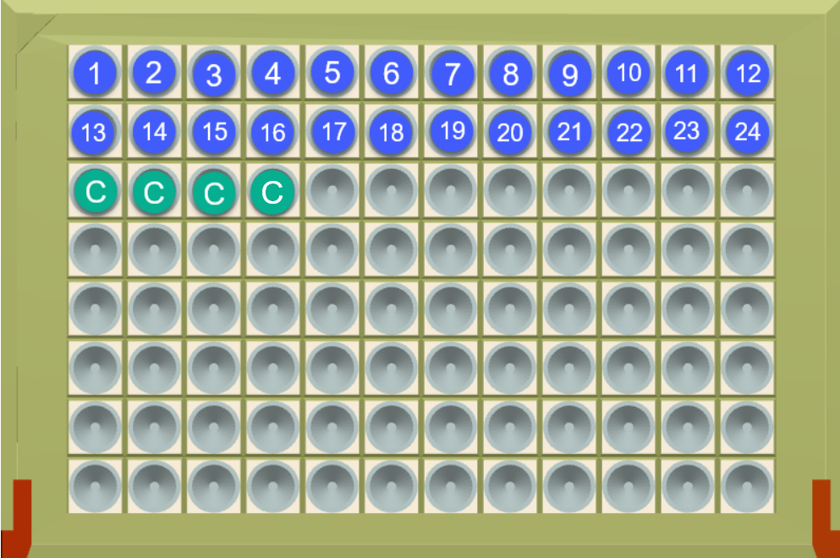
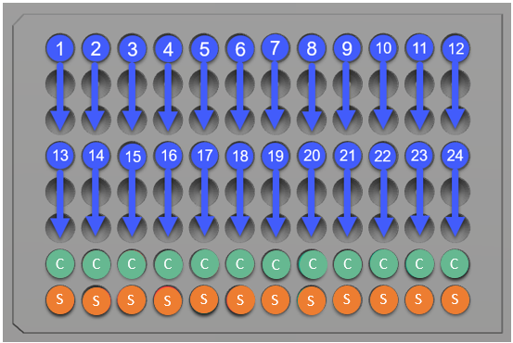

 |  | Use the Hamilton Star to prepare source plates

 |  |  | Need | 0 | 96w v-bottom Greiner plate(s)

 |  |  | Label them first!

 |  |  | On the STAR
 |  |  |  | Method manager -> HTS -> HiPrBind Ferm Sample Aliquoting
 |  |  |  |  | -> Follow the prompt to check the waste bins below the Star
 |  |  |  |  | -> Choose aliquoting volume |  |  | 20 | uL
 |  |  |  |  | -> Choose PBS volume |  |  | 140 | uL
 |  |  |  |  | -> Choose # of process controls |  |  | 2 | <- give it PBS or skip through these steps on the Star; the spiked EVL samples will be added later.
 |  |  |  |  | -> Follow the STAR manager deck layout to verify plate positions and that the correct tips have been loaded
 |  |  |  |  |  | and select continue
 |  |  |  |  | -> On the plate map, select the tubes/wells that contain samples; ensure PC's are in positions C01 and C02 if only using 2
 |  |  |  |  |  | See example above
 |  |  |  |  | -> Follow the Star manager prompts to verify the tip racks on the deck

 |  |  | Spin plates down at 3300g for 6 minutes
 |  |  |  | Ensure Centrifuge is set to 4 C
 |  |  | Aspirate off supernatant
 |  |  | Keep plates on ice/refrigerated until needed for further processing

Prepare Assay Solutions

 | See the "Run Info" tab for Assay Solution prep table
 |  | Keep Assay Solutions on ice until use

"Empty Vector Lysate" Prep

 | Prepare the "Empty Vector Lysate" (EVL) according to the instructions below

 |  | Total EVL needed: |  | 2 | mL

 |  | Thaw | 1 | tubes of 450uL Negative control (ABS08019) in a room temp waterbath for 5min
 |  |  | If preparing more than 1 tube of 450uL control, wash them seperately and combine AFTER RESUSPENSION

 |  | Transfer | 420 | ul from the 450uL culture tube to a 15mL conical
 |  | Add | 2940 | uL of 1xPBS to the 15mL conical

 | Centrifuge conical(s) at 3300g for 6min at 4C

 | Aspirate the 1xPBS very delicately because the pellet will be soft
 |  | VACUUM PUMP CAN BE USED BY ATTACHING A 1mL TIP TO END OF VACUUM HOSE

 | Resuspend each pellet in |  |  | 6300.000 | uL of DBI Buffer
 |  |  |  | 6.3 | mL of DBI buffer

 | Combine if multiple resuspensions, and make the standard curve as normal; substitute EVL for DBI
 |  | Should make | 6.3 | mL of EVL Total

Prepare Standard Curve

 | Use the EVL to prepare the Standard Curve according to the table below; complete the left side first

 | In an 8 well trough reservoir
 |  |  |  |  |  |  | Mix well between all transfers
 |  | Add | 0 | uL of EVL to well 1 |  |  | Add | 0 | uL of Reference Material to well 1
 |  | Add | 0 | uL of EVL to well 2 |  |  | Transfer | 0 | uL from well 1 to well 2
 |  | Add | 0 | uL of EVL to well 3 |  |  | Transfer | 0 | uL from well 2 to well 3
 |  | Add | 0 | uL of EVL to well 4 |  |  | Transfer | 0 | uL from well 3 to well 4
 |  | Add | 0 | uL of EVL to well 5 |  |  | Transfer | 0 | uL from well 4 to well 5
 |  | Add | 0 | uL of EVL to well 6 |  |  | Transfer | 0 | uL from well 5 to well 6

Add standards to your plate

 | Add | 0 | reps of standar to each of the source plates
 | Pipette | 0 | uL of each standard into row H of each of the compiled plates

Prepare % Recovery/Process Control Samples

 |  | Use remaining EVL to prepare % recovert/process control samples
 |  | Prepare | 0 | uL for each of 3 different concentrations for % recovery analysis.
 |  | Dispense amounts listed of Negative Control Resuspension in to 3 separate matrix tubes.
 |  | Label the 3 aliquots with final spike concentration. One tube will have no spike and be 0nM or negative. The other 2 concentrations are listed in table below.
 |  | Add stock concentration listed in table to appropriate tubes
 |  | This is enough for 1 replicate of each of 3 concentrations per plate at |  |  |  |  |  |  | 150 | uL plating volume

 | Stock | Molec | Stock | Stock | Stock | Standard | Desired | Stock | 1x Neg control
 | Conc | Weight | Conc | Conc | Conc | 1 desired | Volume | needed | resuspension
 | mg/mL | g/mol | mM | uM | nM | conc (nM) | mL | uL | uL
 | 0 | 0 | #DIV/0! | #DIV/0! | #DIV/0! | 0 | 0.0 | #DIV/0! | #DIV/0!
 | 0 | 0 | #DIV/0! | #DIV/0! | #DIV/0! | 0 | 0.0 | #DIV/0! | #DIV/0!

 |  | Add the % recovery/process control samples to wells G10-G12 of each source plate.
 |  |  | PLACE THE NEGATIVE IN G10, THE LOW SPIKE SAMPLE IN G11, AND THE HIGH SPIKE IN G12

Predispense Dilution Buffer 2 into 384 well V-bottom Greiner Bio-One dilution plates, resuspend cell
pellets and perfom 8 point serial dilution with the Starlet

 |  | Need | 0 | 384 well V-Bottom Greiner bio one plates
 |  |  |  | *2 plates per source plate
 |  | Label them first!

 |  | On the STARlet
 |  |  | Method manager -> HTS -> HiPrBind Workflow
 |  |  |  | -> Choose "Run option 1: 96w to 384w dilutions"
 |  |  |  |  | Source Plate (96w)
 |  |  |  |  |  | -> Follow the STARlet manager prompts to verify the tip racks on the deck
 |  |  |  |  |  | -> Choose # of plates (you can process 2 source plates at a time)
 |  |  |  |  |  | -> Ensure Cell resuspension option is chosen if samples are pelleted
 |  |  |  |  |  | -> Enter Resuspension volume |  |  | 0 | uL of DBI
 |  |  |  |  |  | -> Choose mix volume (default 150 uL)
 |  |  |  |  | Ensure 300 uL Rocket tips have been removed from positions that correspond to
 |  |  |  |  |  | wells that contain standards or % recovery/process controls
 |  |  |  |  | Dilution Plates (384w)
 |  |  |  |  |  | -> Ensure that the 8 pt serial dilution option has been selected
 |  |  |  |  |  | -> Enter DBII volume |  |  | 0 | uL of DBII
 |  |  |  |  |  | -> Enter spike volumes |  |  | 0 | uL of sample

Predispense ASI into 384 well Proxiplates with the Tempest

 |  | Need | 0 | 384 well proxiplates

 |  | Label them first!

 |  | > | Place your ASI solution in the solution holder
 |  | > | Visually inspect that the silicone nozzles are fitted properly and that nothing looks loose or off kilter
 |  | > | Take the intake/outtake tubes for the Low Volume chips on the right out of the wash solution, wipe off with a clean wipe
 |  | > | Place the tubes into the ASI conical
 |  |  |  | > | PULL THE GREEN WASTE TUBES UP UNTIL THEY REST JUST BELOW THE RIM OF THE CONICAL (TO MINIMIZE BUBBLES)
 |  | > | Open up the Tempest program on the laptop connected to the Tempest
 | edit | > | Click File->Open Dispense List->(v2.1) 6 uL HPB AS from CS 6x LV chips to ProxiPlate
 |  |  | > | This should already have the Perkin Elmer 384 well plate definition and 6uL dispense volume selected
 |  |  | > | CS in the above protocol name represents the chip set used to dispense. It will be either the R(ight) or L(eft) set of Tempest Chips as appropriate
 |  | > | Click the "Prime All" button on the bottom left (two green tube icon at the far left)
 |  |  | > | Prime 2x! Once is not enough to get all of the bubbles out of the feed lines
 |  | > | Monitor the intake tubes (clear, not green) being primed, watch for bubbles, if there are bubbles, prime again
 |  | > | Ensure plate stacker settings are set for the number of plates being dispensed
 |  | > | Make sure your hands are CLEAR of the machine before the next step
 |  | > | Start the dispense program by pressing the green play button near the top of the Tempest program GUI
 |  | > | Keep an eye on the intake tubes and watch for bubbles; immediate stop and reprime if bubbles appear
 |  | > | After the dispense is finished, visually inspect the plates for missed wells or splashes.
 |  | > | When dispense is complete, recover assay solution from the chips and lines (two green tube icon to the right of the prime icon)
 |  | > | Return tubes to an empty clear conical and "Wash All" (two blue tubes icon on the bottom left)

Transfer cell resuspension from dilution plate to 384 well Proxiplates filled with ASI
 | with the Starlet

 |  | On the STARlet
 |  |  | Method manager -> HTS -> HiPrBind Workflow
 |  |  |  | -> Choose "Run option 2: 384w Transfer Dilution to Assay Plate"
 |  |  |  |  | -> Follow the STARlet manager prompts to verify the tip racks on the deck
 |  |  |  |  | -> Choose # of plates |  |  | 0
 |  |  |  |  | -> Choose transfer volume; will always be 6 uL unless otherwise specified
 |  |  |  |  | -> Double check that the deck is arranged appropriately and the correct tips
 |  |  |  |  | are in the proper locations
 |  |  |  |  | -> Select the box to verify you checked the deck and press continue to run

 |  |  | Take note of when the first plate in the stack is finished ->

 | Incubate plates at room temp, covered, for 1hr
 |  | If you are doing a lot of plates at a time, by the time you finish the stack, 40min may
 |  |  | have passed since you finished the 1st plate, meaning you just proceed to
 |  |  | Assay Solution II (ASII) dispense. This is why you note when the 1st plate finishes

Dispense ASII into the Proxiplates with cell lysate+ASI in them with the Tempest

 |  | > | Place your ASII solution in the solution holder
 |  | > | Visually inspect that the silicone nozzles are fitted properly and that nothing looks loose or off kilter
 |  | > | Take the intake/outtake tubes for the Low Volume chips on the right out of the wash solution, wipe off with a clean wipe
 |  | > | Place the tubes into the ASII conical
 |  |  | > | PULL THE GREEN WASTE TUBES UP UNTIL THEY REST JUST BELOW THE RIM OF THE CONICAL (TO MINIMIZE BUBBLES)
 |  | > | Open up the Tempest program on the laptop connected to the Tempest
 | edit | > | Click File->Open Dispense List->(v2.1) 6 uL HPB AS from CS 6x LV chips to ProxiPlate
 |  |  | > | This should already have the Perkin Elmer 384 well plate definition and 6uL dispense volume selected
 |  |  | > | CS in the above protocol name represents the chip set used to dispense. It will be either the R(ight) or L(eft) set of Tempest Chips as appropriate
 |  | > | Click the "Prime All" button on the bottom left (two green tube icon at the far left)
 |  |  | > | Prime 2x! Once is not enough to get all of the bubbles out of the feed lines
 |  | > | Monitor the intake tubes (clear, not green) being primed, watch for bubbles, if there are bubbles, prime again
 |  | > | Ensure plate stacker settings are set for the number of plates being dispensed
 |  | > | Make sure your hands are CLEAR of the machine before the next step
 |  | > | Start the dispense program by pressing the green play button near the top of the Tempest program GUI
 |  | > | Keep an eye on the intake tubes and watch for bubbles; immediate stop and reprime if bubbles appear
 |  | > | After the dispense is finished, visually inspect the plates for missed wells or splashes.
 |  | > | When dispense is complete, recover assay solution from the chips and lines (two green tube icon to the right of the prime icon)
 |  | > | Return tubes to an empty clear conical and "Wash All" (two blue tubes icon on the bottom left)

Seal Proxiplates

 | Once each plate has completed the final Assay Solution dispense or sample transfer seal it with a Perkin Elmer plate sealer, cover it, and set it aside.
 |  | As a technical note, be careful to line up the seal to make sure there is no overhang of the sealer
 |  | on the plate. Otherwise the plates will stick together, or worse, get stuck in the plate feeder on the
 |  | Enspire as you are trying to read them.

Spin down plates at 1000g for 1 min @ 4C

 | Incubate the plates overnight in a 4 C refrigerator, nested between dummy plates.
 |  | Good rule of thumb is that there needs to be one dummy plate at the bottom of the stack
 |  | and two at the top to prevent condensation formation in the reactions.

 | NO MORE THAN 4 PROCESSING PLATES CAN BE IN THE SAME STACK, FOR A MAXIMUM OF 7 PLATES (COUNT THE 3 DUMMY PLATES)

 |  |  | Dummy | top of stack
 |  |  | dummy
 |  |  | p1
 |  |  | p2
 |  |  | etc
 |  |  | dummy | bottom

Prepare plates for scanning

 | The next day, remove the plates from the refrigerator and immediately spin down the plates at 1000g for 1 min @ 4C

 | Spread out the plates on the bench individually, keep each plate covered
 |  | Allow to equilibrate to room temp for at least 1 hour

 | CREATE A STACK OF ALL THE PLATES TO BE READ ON THE ENSPIRE.
 |  | Plates SHOULD BE STACKED SUCH THAT the first plate you want to read IS at the bottom of the pile
 |  | Add a dummy plate to the top of the stack to protect the last plate from light
 |  | Add a dummy plate to the left side of the plate feeder to protect the first plate from light once it's finished scanning

Scan Proxiplates on the Enspire

 | Take a picture of the plate stack in the Enspire plate feeder before reading, upload to Slack #hiprbind_execution

 | Scan on the Enspire using the "Alpha, FI - DNA_Ex480 Em 520-Alpha 384-SW" program
 |  | Files will be automatically exported to the L drive
 |  | L:\Assay Development\Enspire
 |  | AFTER SCANNING OF ALL PLATES IS COMPLETE AND FILE HAS BEEN EXPORTED, RENAME FILE WITH DATE SCANNED AND EXPERIMENT INFORMATION.
 |  |  | For example: 2022.02.07 SSF00730 BLOODHOUND NATIVE

